Indices

 | Iraq Stock Exchange
 | Bulletin No (210)

 | ISX Trading Indices of Monday 24/11/2025

 | Traded Volume and OTC |  | 3,271,840,600 |  | Traded Value and OTC |  | 1,447,349,289 |  | Traders | 1089

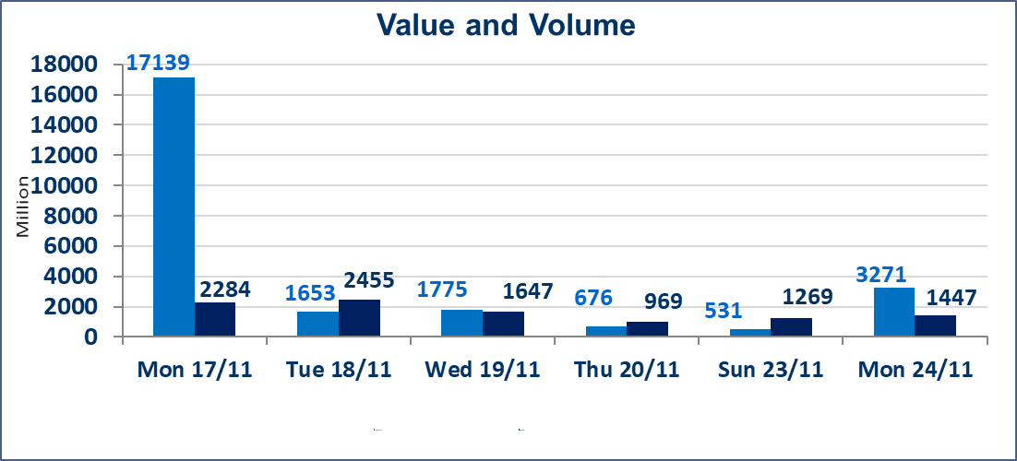
 | ISX Index 60 |  |  | 952.72 | ISX Index 15 |  |  | 1179.65
 | Previous ISX Index60 |  |  | 957.04 | Previous ISX Index15 |  |  | 1185.64
 | Change % |  |  | -0.45 | Change % |  |  | -0.51
 | Change |  |  | -4.32 | Change |  |  | -5.99

 | Listed Companies | 104 | OTC | 11 | Non Traded listed | 42 | OTC | 9
 | Traded Listed Companies | 42 | OTC | 1 | Higher Companies |  |  | 10
 | GAM Companies |  |  | 7 | Lower Companies |  |  | 17
 | Suspended Companies |  |  | 13
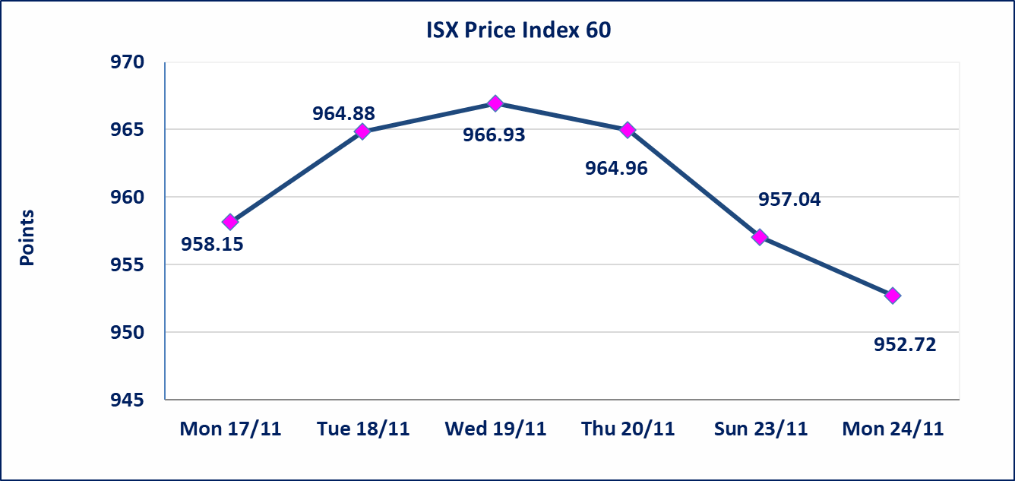
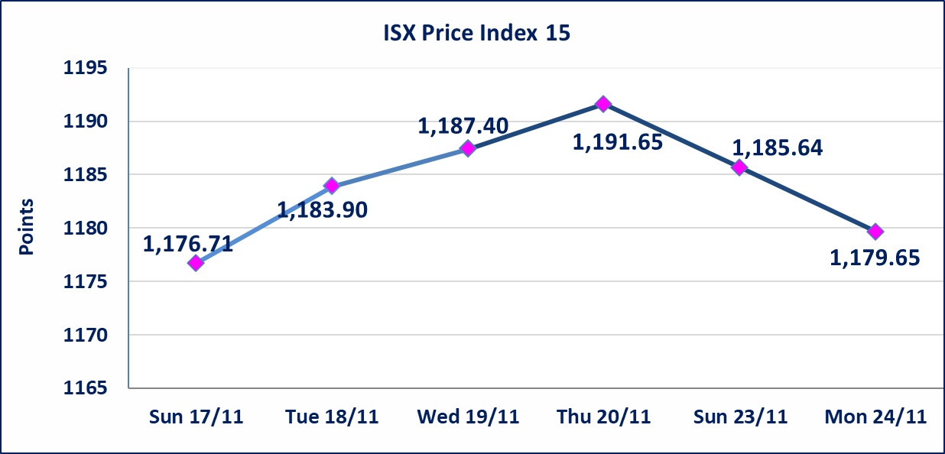

Al-Alwiya P.O . 3607 Mobile: 07711211522 - 07270094594 - 07834000034 E-mail: info-isx@isx-iq.net Web site:www.isx-iq.net

Top 5
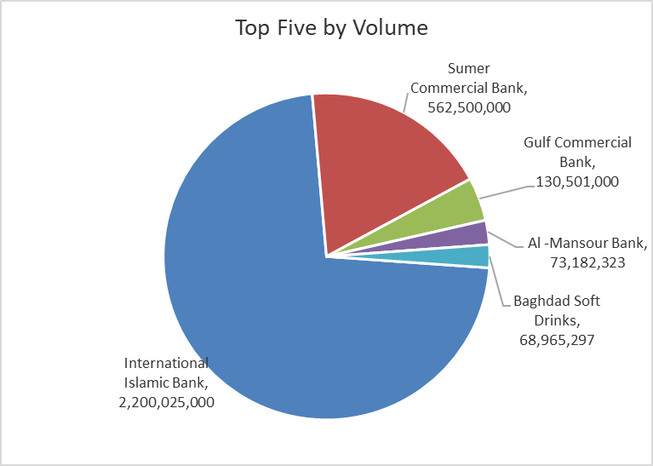
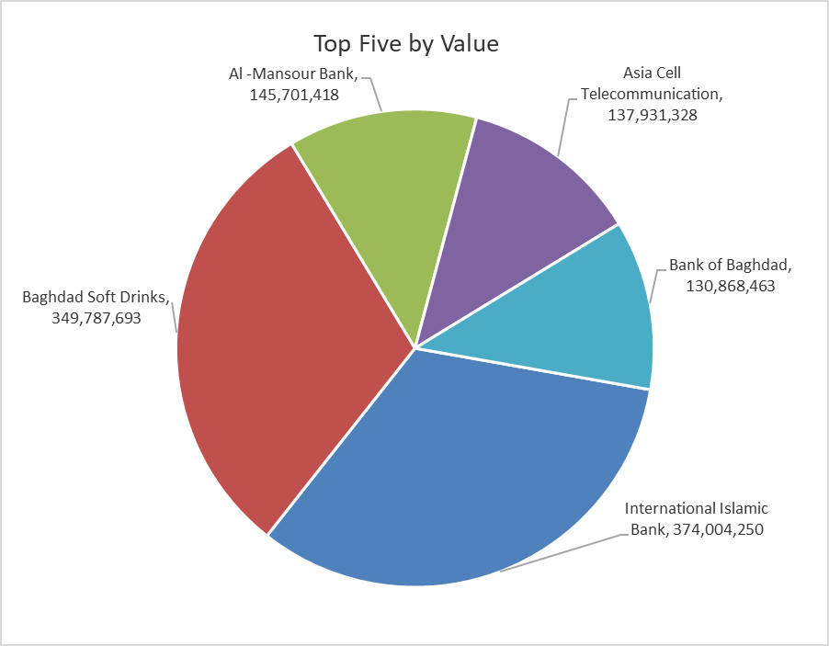
ISX top ganing and losing companies
Monday 24/11/2025
Gainers |  |  |  | Losers
Company Name | Closing Price | Change (%) | Traded Volume | Company Name | Closing Price | Change (%) | Traded Volume
Tourist Village of Mosul dam | 16.720 | 14.99 | 18,334 | Electronic Industry | 1.900 | -5.00 | 1,999,776
Babil Animal & Vegetable Production | 8.330 | 14.90 | 812,286 | Credit Bank Of Iraq | 0.650 | -4.41 | 3,522,500
Al-Ameen Estate Investment | 2.300 | 6.48 | 11,090,940 | Mamoura Realestate | 3.840 | -4.00 | 5,117,494
Elaf Islamic Bank | 0.300 | 3.45 | 10,000 | Gulf Commercial Bank | 0.280 | -3.45 | 130,501,000
Metallic Industries and Bicycles | 2.100 | 2.44 | 1,400,000 | Commercial Islamic Bank of Iraq | 0.680 | -2.86 | 6,285,000

The most active companies in term of traded volume and value

Traded Volume |  |  |  | Traded Value
Company Name | Closing Price | Change (%) | Traded Volume | Company Name | Closing Price | Change (%) | Traded Value
International Islamic Bank | 0.170 | 0.00 | 2,200,025,000 | International Islamic Bank | 0.170 | 0.00 | 374,004,250
Sumer Commercial Bank | 0.110 | 0.00 | 562,500,000 | Baghdad Soft Drinks | 5.070 | -1.36 | 349,787,693
Gulf Commercial Bank | 0.280 | -3.45 | 130,501,000 | Al -Mansour Bank | 1.990 | -0.50 | 145,701,418
Al -Mansour Bank | 1.990 | -0.50 | 73,182,323 | Asia Cell Telecommunication | 12.980 | -1.29 | 137,931,328
Baghdad Soft Drinks | 5.070 | -1.36 | 68,965,297 | Bank of Baghdad | 3.570 | 1.13 | 130,868,463

OTC

Iraq Stock Exchange

Monday 24/11/2025
OTC Platform Trading Bulletin No (210)
Company Name | Code | highest price | lowest price | Average price | No.of Trades | Traded Volume | Traded Value
Banks Sector
Al-Warka Bank | BWAI | 0.090 | 0.080 | 0.080 | 10 | 50,576,029 | 4,051,082
Total Of Banks Sector |  |  |  |  | 10 | 50,576,029 | 4,051,082
Total |  |  |  |  | 10 | 50,576,029 | 4,051,082

Not Trading OTC Companies
Company Name |  |  | Code |  | Previous Average price
Banks Sector
Al-Sanam Islamic Bank |  |  | BSAN |  | 3.000
Hammurabi Commercial Bank |  |  | BHAM |  | ـــــــــــــــــــــــــــــــــــ
Money Service Sector
Rabee Securities |  |  | FRSE |  | 9.500
Karmal Brokerage |  |  | FKSX |  | 10.000
Ishtar Gate for e-Paymant |  |  | FISH |  | 1.000
Sama Baghdad Exchange |  |  | FSBE |  | ـــــــــــــــــــــــــــــــــــ
Iraqi Deposit Insurance Corporation |  |  | FIDI |  | ـــــــــــــــــــــــــــــــــــ
Insurance Sector
Shatt Al Arab Insurance |  |  | NSHA |  | 1.000
Dilina Insurance Company |  |  | NDIL |  | ـــــــــــــــــــــــــــــــــــ

Non OTC

Iraq Stock Exchange
Non Iraqis' Bulletin Monday Nov 24 2025
Regular Market

Non Iraqi Trading of OTC (Sell)
Company Names | Code | No.of trades | Traded Shares | Trading Volume
Banks Sector
Warka Bank for inv.&Finance | BWAI | 3 | 20,000,000 | 1,600,000
Total Bank sector |  | 3 | 20,000,000 | 1,600,000
Grand Total |  | 3 | 20000000 | 1600000

